Overview
Overview
Version 2.0

FFM Business Data Elements
Introduction | The FFM Business Data Elements are part of the Federal Integrated Business Framework (FIBF). The FIBF documents common business needs across agencies. The FIBF can be used to guide performance and investment discussions as well as for acquiring and implementing government-wide solutions. To that end, FFM FIBF components are included in the Financial Management Capability Framework (FMCF). This framework is the foundation for all offerings in the Financial Management (FM) Quality Service Management Office (QSMO) Marketplace. | 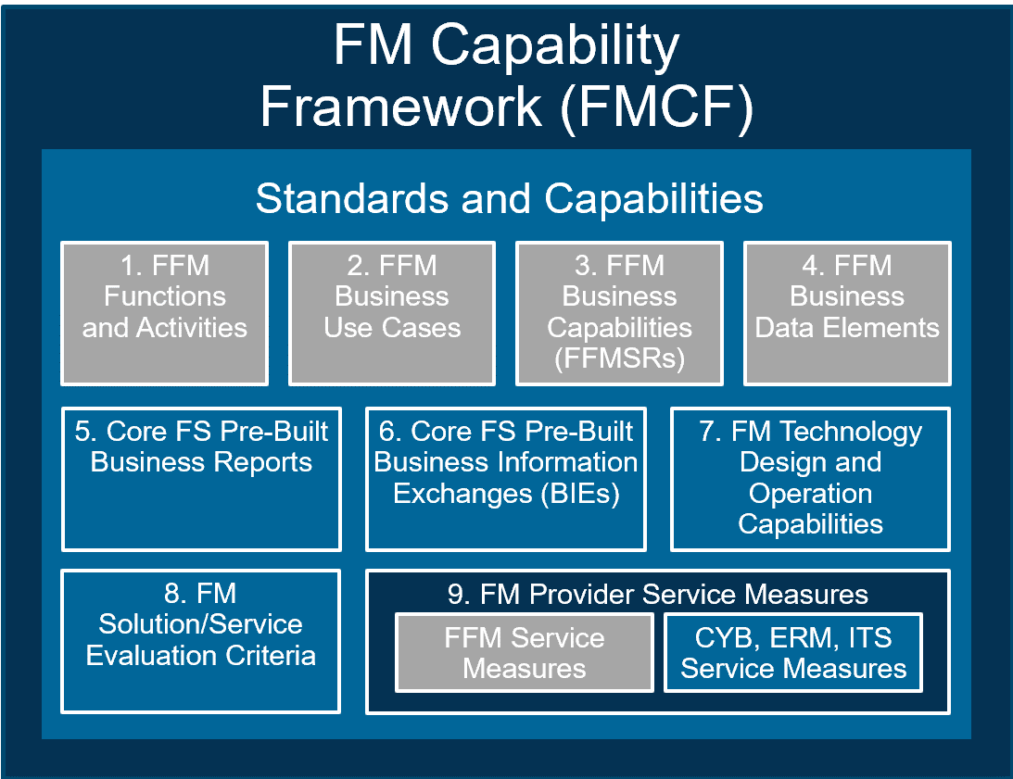
Tab | Description
Cover | Provides the version publication date of the Business Data Element List workbook
Change Log | Describes the change(s) that have occurred with the Business Data Elements and the rationale for the change
Overview | Lists each workbook tab and provides an explanation of each tab's contents
Instructions | Explains how to filter columns in order to get additional context related to the business data elements
Guiding Principles | Describes the set of rules that govern the generation of Business Data Elements
Legend | Describes the attributes that may be defined for each Business Data Element
Business Data Element List | Lists Business Data Elements and attributes
Auth-Other References | Provides an index (i.e., bibliography) of authoritative and other references from which Business Data Elements are identified. Each item in the bibliography is numbered for reference in the Business Data Element List tab

Instructions
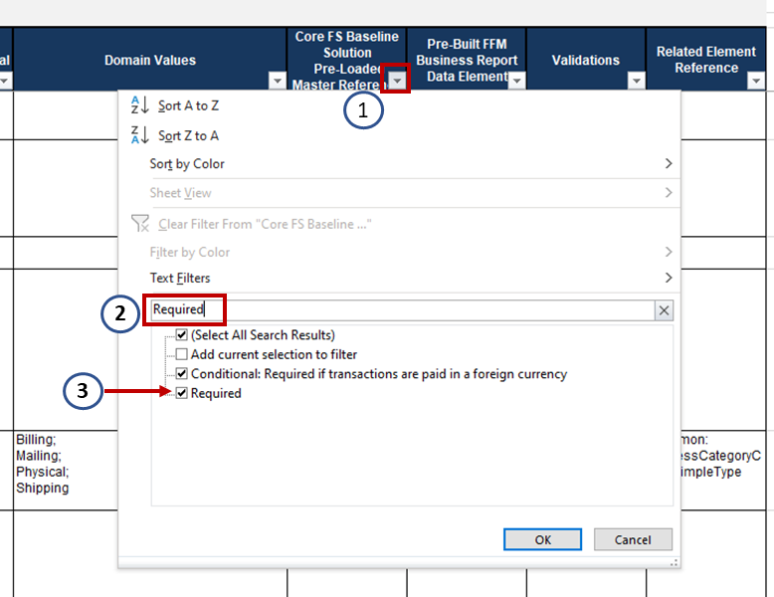
Instructions
Version 2.0

Instructions for Using this Workbook
On the "Business Data Elements List" tab, users are able to filter the complete list of business data elements by Functional Area, Data Element Label, Service Activity, Data Group Name, Business Capability Reference, Authoritative References, Core FS Baseline Solution Pre-Loaded Master Reference Data, etc.
Example: Filtering on "Data Group" for items containing "ACS" A data group can be used to identify elements that comprise a set of information. Account Classification Structure (ACS) Information is an example of a data group. By applying a filter to the "Data Group" column, a user can see all the data elements that comprise the Account Classification Structure.
1
1
1
 | Click the arrow in the cell containing "Data Group Name"
2
 | Type ACS in the search bar
3
 | Either hit 'Enter' for the complete set of items containing "ACS" or check the boxes next to the items that you want to view.
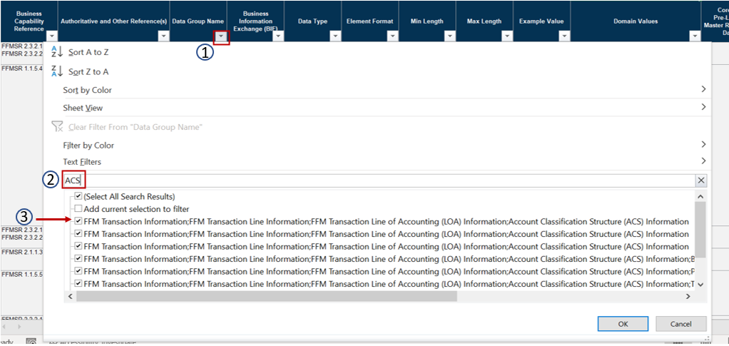

1
2
Example: Filtering "Pre-Loaded Master Reference Data" for "Required". The "Core FS Baseline Solution Pre-Loaded Master Reference Data" column indicates whether pre-loading the master reference data into the Core FS Baseline Solution is Required, Optional, or Conditional. By filtering on this column, users can find the data elements for which standardized reference data must be pre-loaded.
 | Click the arrow in the cell containing "Core FS Baseline Solution Pre-Loaded Master Reference Data"
 | Type "Required" in the search bar
3
 | Hit 'Enter' for the complete set of data elements for which reference data is required to be pre-loaded in the Core FS Baseline Solution.

