RSS Overview
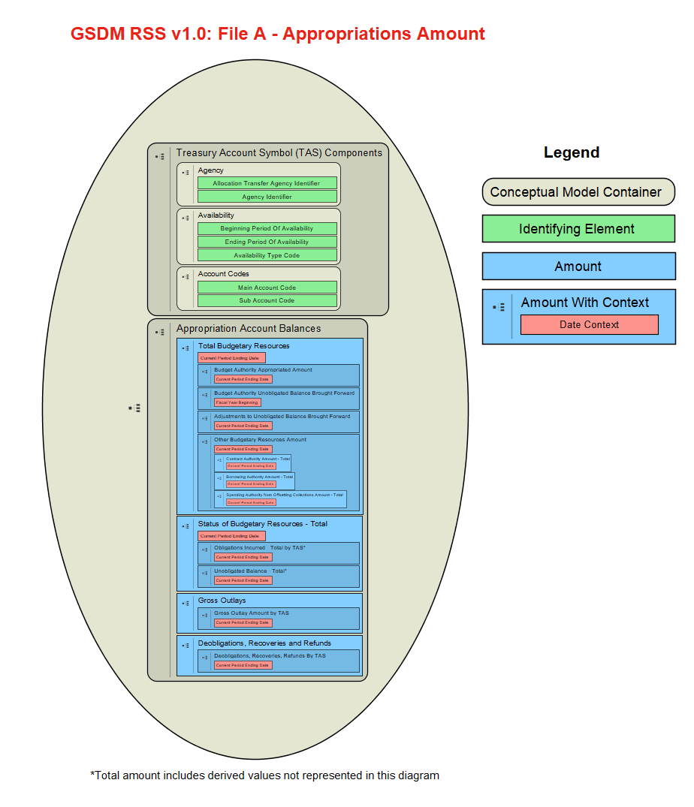
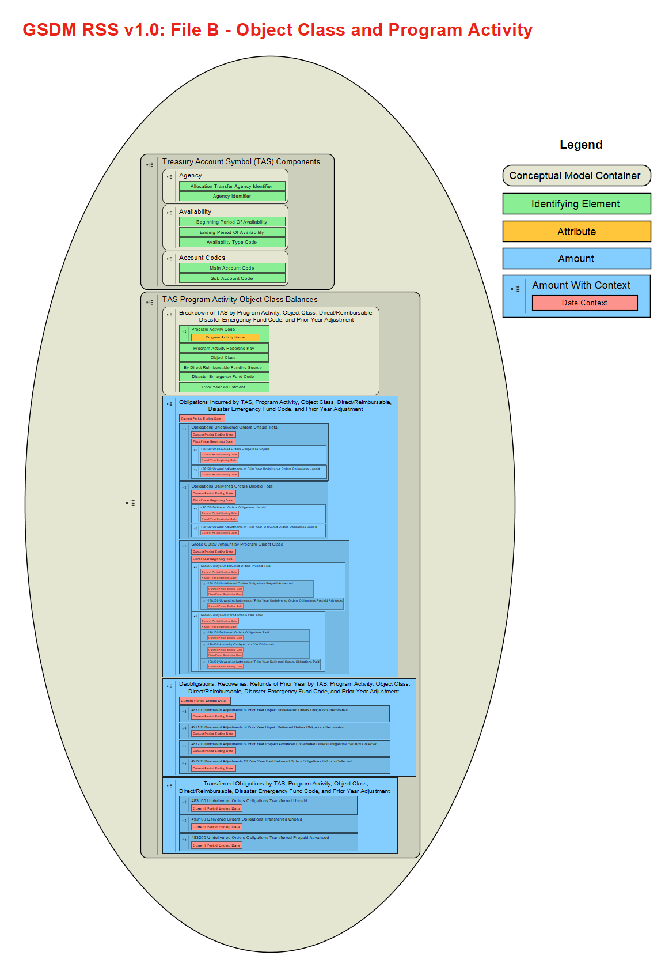
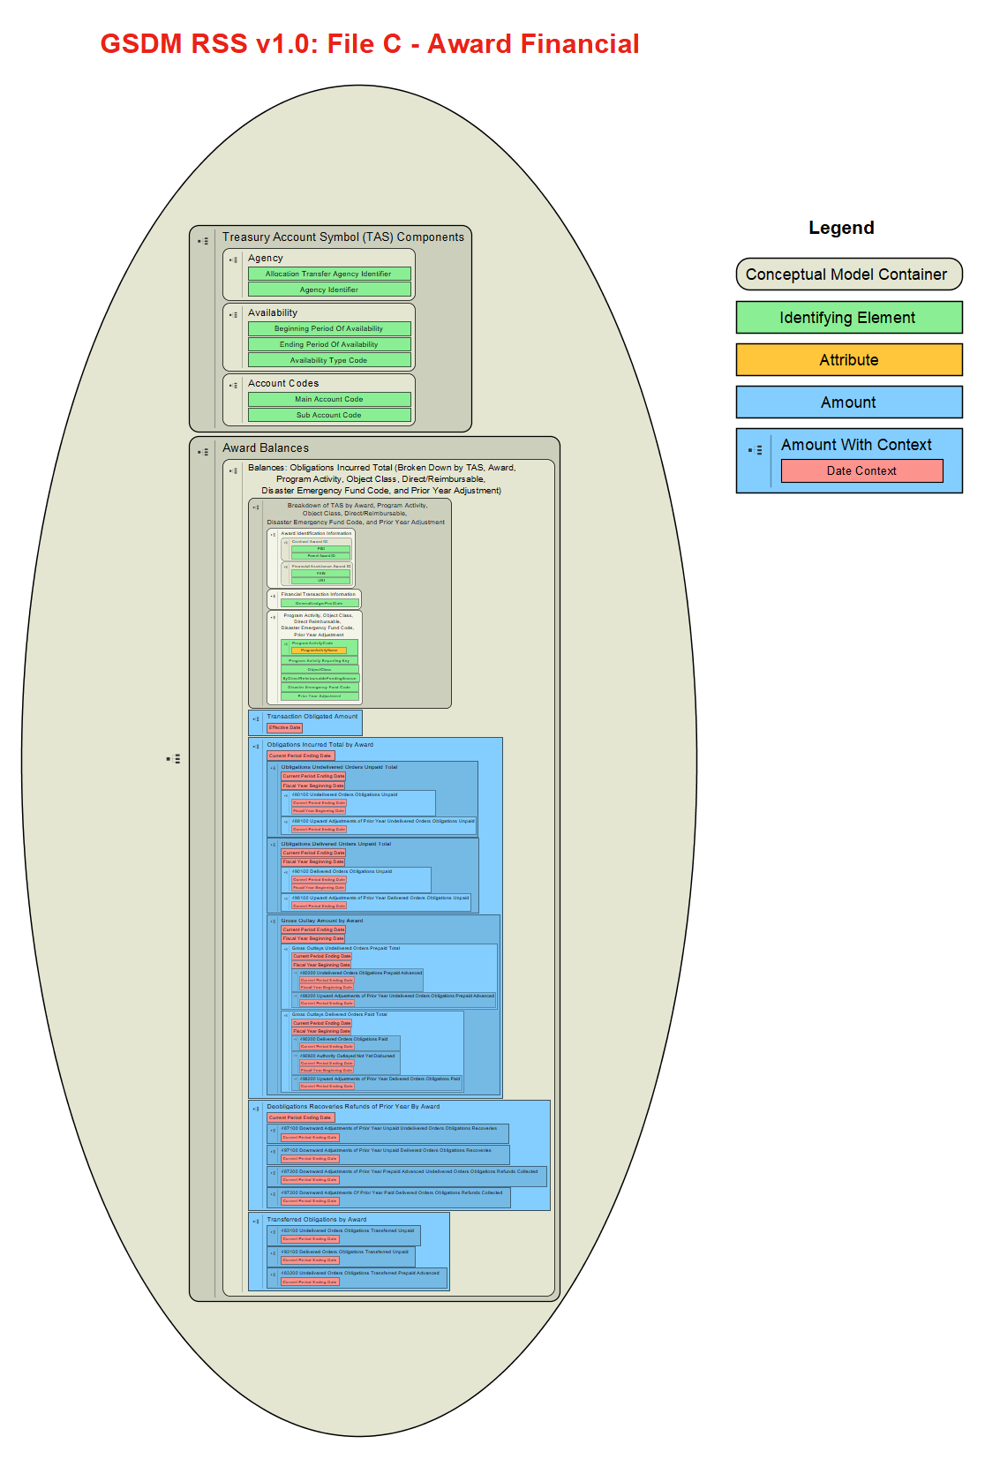
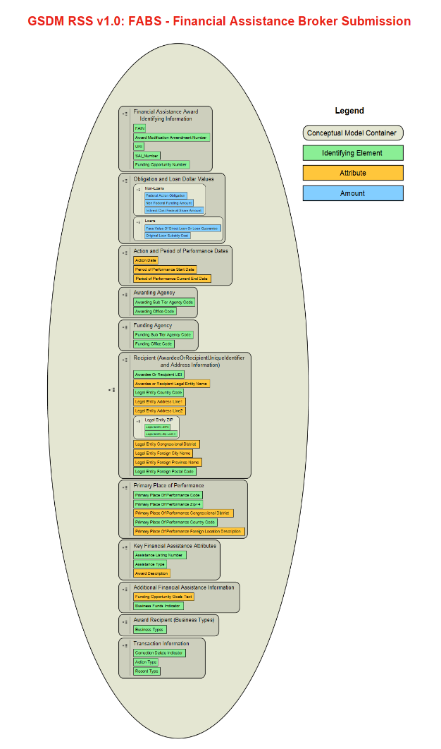
Governmentwide Spending Data Model (GSDM), formerly known as "DATA Act Information Model Schema (DAIMS)" Reporting Submission Specification (RSS) Overview

Purpose of the RSS
This document specifies how to prepare your agency's DATA Act Broker Submission (DABS) and Financial Assistance Broker Submission (FABS) in a Broker-ready format. For information on the validation rules applied by the Data Broker, see the DAIMS Validation Rules Excel document or the Resources section of the Data Broker. For helpful information on the difference between DABS and FABS and on the general practices and procedures for submitting, validating, and understanding the reporting of submissions to the Data Broker, see the GSDM Practices and Procedures document.

File Content: Structure and Format
File Overview
For DATA Act Broker Submission (DABS), data should be submitted in three separate CSV (or pipe-delimited TXT) format files, one for each particular submission detail tab: 1) A-Appropriations Account; 2) B-Object Class Program Activity; and 3) C-Award Financial.
For Financial Assistance Broker Submission (FABS), data should be submitted in one CSV (or pipe-delimited TXT) format file whose contents correspond to the FABS tab.
For both FABS and DABS: consistent with the CSV (or pipe-delimited TXT) format, each file should adhere to the following layout:
* All values are separated using a comma or pipe (|) symbol; each row of values are separated by a newline character.
* Header row – The first row of the file contains a comma or pipe-separated list of all data element names in that file. This list much match the element names in the corresponding tab in this RSS document. As such, headers for optional elements that an agency is not otherwise going to fill in must be provided. Headers may be in any order.
* Content rows – Each content row must contain the same number of comma or pipe-separated data element values as the Header Row. Data values must occur in the same order as their respective element name order in the Header Row. Required elements of numeric type cannot be blank, but may be zero. Optional elements of numeric type may be blank.
Details of what should be contained in each file can be found in its respective submission detail tab.

Content Detail for Files A, B, C, and FABS
The Submission Detail tabs for Files A, B, C, and FABS specify how each file should be prepared for the DATA Act Broker.
DATA Act Broker Submission (DABS)
File A includes the appropriations account detail information.
File B includes the object class, program activity, and Disaster Emergency Fund Code (DEFC) detail information.
File C includes the award financial detail information, including breaking down each award TOA or balance provided by TAS, Object Class, DEFC, and Program Activity (the last optional until FY21Q1).
Note: The specifications for File D1 (award and awardee detail for procurement), File D2 (award and awardee detail for financial assistance), File E (additional awardee attributes), and File F (sub-awardee attributes) are available in a complementary artifact called the Interface Definition Document (IDD). These files are extracted from interface systems (and the Broker's own data store) during quarterly submissions and are not submitted directly to the Broker at that time.
Financial Assistance Broker Submission (FABS)
The FABS file includes the complete set of elements required for submitting financial assistance award data.
Refer to the Practices and Procedures document for instructions on preparing the data elements in the FABS file.
The columns in each submission detail tab convey:
Structured Sort Order –indicates the default sequence of data elements in each tab while also conveying the logical grouping of each element within the data model. It is tab and release-specific (i.e., not necessarily the same across tabs and releases), and intended to allow users to easily return to the default element order after sorting alphabetically. The first two digits correspond to the major grouping of the element (described in the Structured Sort Order Categories section of this page), with the remainder ensuring a logical order within the category and conveying each element's hierarchical relationship to others in its major category.
Element Number – a unique identifier for each element. When an element is included in more than one tab, it retains the same number. When referencing an element, use the element number as it will stay constant between releases.
Data Element Label – a unique label for each element. CSV headers should match these labels exactly but are not case-sensitive. Labels with suffix "_FYB" and "_CPE" indicate the data values capturing balances at Fiscal Year Beginning and Current Period Ending dates, respectively.
Grouping – this column contains the category in which an element is grouped, also represented by the first two digits of the Structured Sort Order. This grouping has no effect on submissions, but is intended to help users better understand the relationship between elements and the data model.
Date Context – indicates whether the value expected should have a date context of (be measured at) the Effective Date, Submission Report Date, Fiscal Year Beginning, or Current Period Ending. The Effective Date is the date of the transaction. The Submission Report Date is the date the data is being submitted to the Broker. Fiscal Year Beginning should indicate the beginning balance in the agency financial system at the start of the fiscal year, October 1. Current Period Ending should indicate the cumulative ending balance reflecting all activity since the start of the fiscal year in the agency financial system for the period being reported. None of these dates will be submitted. This column applies to and is present in Files A, B, and C only.
Definition – contains the business definition of the data element.
Example Value – demonstrates an acceptable data entry value. For monetary amounts the example value will indicate the normal sign indicator (i.e., debit or credit). Note that FABS is not case-sensitive when comparing or evaluating alphabetic characters, i.e. an upper case letter is considered to be the same as its lower case counterpart.
Required/Optional – indicates whether a data element is required, optional, or conditionally required per the validation rules.
Valid Data Type – integer, string, or numeric (may contain decimal).
Max Field Length – indicates the maximum length of the data element value.
Instructions – additional information for reporting the element.
Business Line – identifies the business line where the element applies. Values include budgeting / accounting, financial assistance, procurement, and a combination of procurement and financial assistance. This column applies to and is present in File C only.
Terse 30 Label – provides shortened versions of the data element names.

Structured Sort Order Categories: File A
01: Treasury Account Symbol (TAS) Components
02: Appropriation Account Balances: Budget Authority Available
03: Appropriation Account Balances: Status of Budgetary Resources
04: Appropriation Account Balances: Gross Outlays
05: Appropriation Account Balances: Deobligations, Recoveries and Refunds

Structured Sort Order Categories: File B
01: Treasury Account Symbol (TAS) Components
02: Breakdown of TAS by Program Activity, Object Class, Direct/Reimbursable, and Disaster Emergency Fund Code
03: Obligations Incurred by TAS, Program Activity, Object Class, Direct/Reimbursable, and Disaster Emergency Fund Code
04: Deobligations, Recoveries, Refunds of Prior Year by TAS, Program Activity, Object Class, Direct/Reimbursable, and Disaster Emergency Fund Code
05: Transferred Obligations by TAS, Program Activity, Object Class, Direct/Reimbursable, and Disaster Emergency Fund Code

Structured Sort Order Categories: File C
01: Treasury Account Symbol (TAS) Components
02: Breakdown of TAS by Award, Program Activity, Object Class, Direct/Reimbursable, and Disaster Emergency Fund Code
03: Transaction Obligated Amount (Broken Down by TAS, Award, Program Activity, Object Class, Direct/Reimbursable, and Disaster Emergency Fund Code)
04: Balances: Obligations Incurred Total (Broken Down by TAS, Award, Program Activity, Object Class, Direct/Reimbursable, and Disaster Emergency Fund Code)
05: Balances: Deobligations, Recoveries, Refunds (Broken Down by TAS, Award, Program Activity, Object Class, Direct/Reimbursable, and Disaster Emergency Fund Code)
06: Balances: Transferred Obligations (Broken Down by TAS, Award, Program Activity, Object Class, Direct/Reimbursable, and Disaster Emergency Fund Code)

Structured Sort Order Categories: FABS (bold) and D1 (not bold)
01: Financial Assistance Identification Information
02: Obligation and Loan Dollar Values
03: Action and Period of Performance Dates
04: Awarding/Funding Agency
05: Recipient (Address Information)
06: Place of Performance
07: Key Financial Assistance Information
08: Product or Service Information
09: Preference Programs
10: Competition
11: Legislative Mandates
12: Additional Financial Assistance Information
13: Recipient (Socioeconomic Indicators)
14: Recipient (Business Types)
15: Recipient (Line of Business)
16: Recipient (Relationship with Federal Government)
17: Recipient (Type of Government Entity)
18: Recipient (Organization Factors)
19: Recipient (Type of Educational Entity)
20: Recipient (Certifications)
21: Transaction Information

Content Detail for Domain Values-RSS Tab
Many submitted Governmentwide Spending Data Model (GSDM) elements have a finite set of possible values, whether in File A, B, C, or FABS.
The Domain Values document provides these values, either:
1) directly, by listing them for a given element; or
2) indirectly, by providing a reference and URL to an external, authoritative source that contains them.
Description of each column in the Domain Values tab:
File – The RSS file (A, B, C, or FABS) that the Data Element Label appears in.
Data Element Label – a unique label for each element. Elements use consistent labels throughout the GSDM. Note that rows combine multiple elements if they are covered by the same Domain Values.
Code – A specific valid code for this particular data element. If "N/A", then refer to the Code Source column for a reference to an source of these codes.
Code Label – Shorthand label describing the meaning of the specific code in the Code column.
Code Description – Longhand description of the Code Label, where one exists.
Code Source – Source that the code(s) for this Data Element were derived from.

Information Flow Diagram
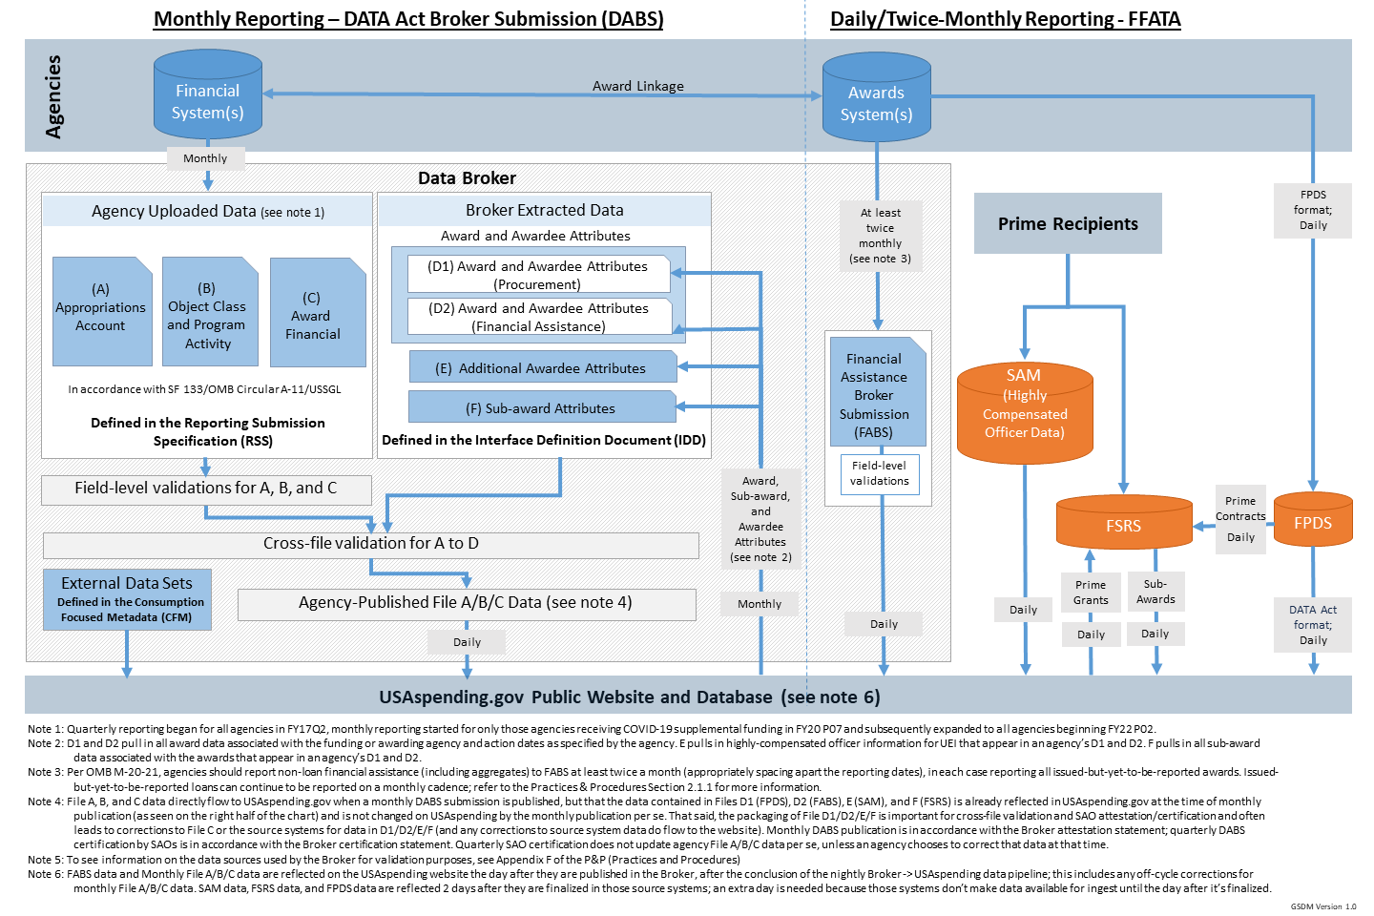

GSDM Element Relationships
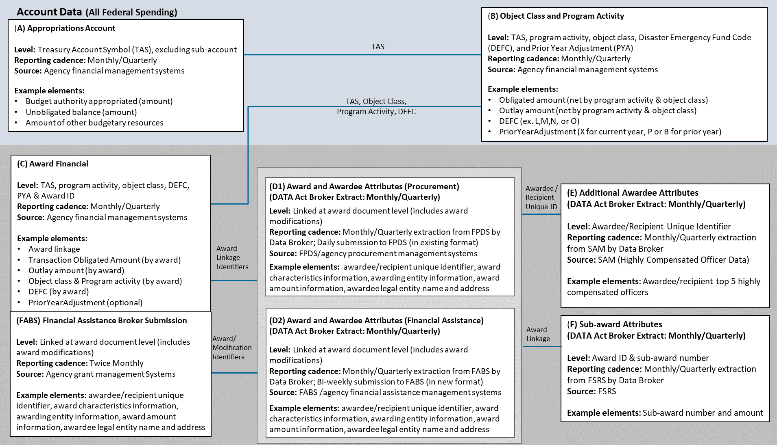

Data Model Diagrams: File A, B, C and FABS (click on an image below to download the full data model from the web)

