CFM Overview
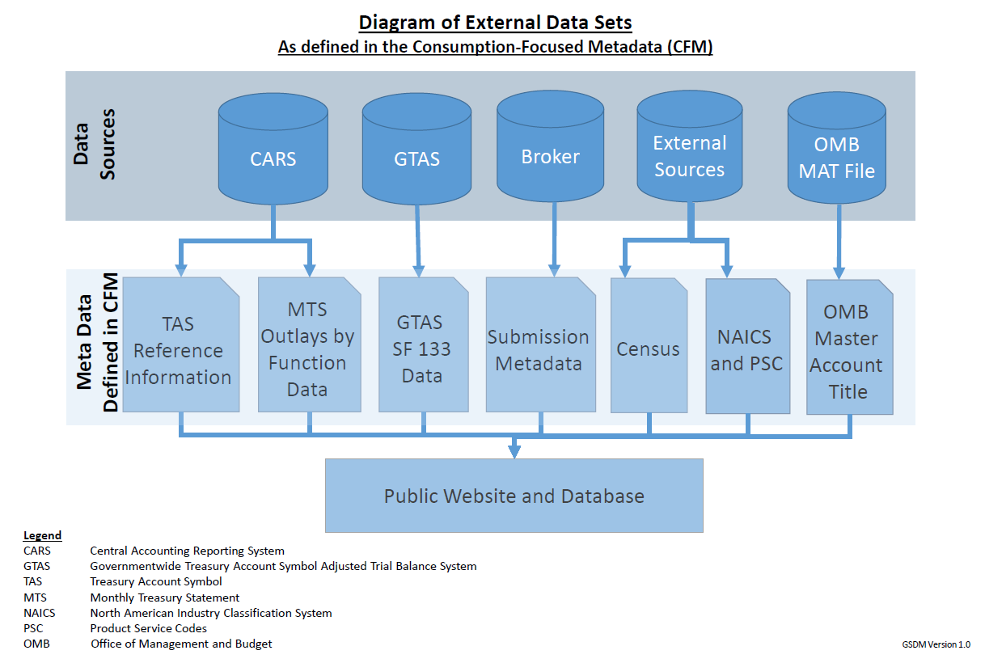
Governmentwide Spending Data Model (GSDM), formerly known as "DATA Act Information Model Schema (DAIMS)" Consumption-Focused Metadata (CFM) Overview

Purpose of the CFM
This document specifies how certain metadata and data, from agency submission files and external authoritative sources, are captured by the Data Broker and compiled for presentation. Use this document to understand the format the compiled data will take. It also provides traceability back to the original sources of the data. The Submission Metadata is sourced from the agency's raw submission file, as it is processed through the Data Broker. During the monthly publication/quarterly certification process, the Senior Accountability Officer has the ability to submit comments pertaining to the quality, accuracy, and completeness of the data as part of the publication/certification phase. After publication/certification, these comments are stored in our database and published on USAspending.gov on the Agency Submissions Statistics Page and the Agency Submission Files section. The Outlays by Budget Function is sourced from the Monthly Treasury Statement (MTS) and is updated quarterly on USAspending.gov to be in sync with agency's submission cadence. TAS and Related Information from CARS is used to validate agency Treasury Account Symbol data submitted to the Data Broker. (Note: the 7 TAS Components (ATA, AID, BPOA, EPOA, ATC, MAC, SAC) are defined in the Reporting Submission Specification (RSS)) The DATA Act Broker Submission uses GTAS SF 133 (Report on Budget Execution and Budgetary Resources) data sourced from the Government-wide Treasury Account Symbol Adjusted Trial Balance (GTAS) system, to validate agency financial data. USAspending uses GTAS SF 133 data for several visualizations. (Note: Other GTAS SF 133 items used in the Broker are defined in the Reporting Submission Specification (RSS)) Census is sourced from external sources at Census.gov. NAICS and PSC is sourced from external sources at Census.gov and the psc-manual. OMB Master Account Title is used to map subtier agencies to TAS accounts so that USAspending can display COVID-19 spending data by sub-agenc

Content Detail
The columns in each detail tab convey:
Structured Sort Order –indicates the default sequence of data elements in each tab while also conveying the logical grouping of each element within the data model. It is tab and release-specific (i.e., not necessarily the same across tabs and releases), and intended to allow users to easily return to the default element order after sorting alphabetically. The first two digits correspond to the major grouping of the element (described in the Structured Sort Order Categories section of this page), with the remainder ensuring a logical order within the category and conveying each element's hierarchical relationship to others in its major category. The structured sort order has no effect on submissions, but is intended to help users better understand the relationship between elements and the data model.
Element Number – a unique identifier for each element. When an element is included in more than one tab, it retains the same element number. When referencing an element, use the element number, as it will stay constant between releases.
Data Element Label – a unique label for each element. When an element is included in more than one tab, it retains the same data element label.
Grouping – this column contains the category in which an element is grouped, also represented by the first two digits of the Structured Sort Order. This grouping has no effect on submissions, but is intended to help users better understand the relationship between elements and the data model.
Definition – contains the business definition of the data element. When an element is included in more than one tab, it retains the same definition.
Valid Data Type – integer, string, or numeric (may contain decimal).
Max Field Length – indicates the maximum length of the data element value.
System Source - indicates from which system the information is obtained and on what cadence, as applicable
Note: To further the goal of data standardization, the following set of structured sort orders follow standard conceptual category structure across all files (in the files themselves, this is captured in the "grouping" column).

Structured Sort Order Categories: Submission Metadata
01: Submission Narrative: Fiscal Year Information
02: Submission Narrative: File Information
03: Submission Narrative: Disclaimers
04: Submission Narrative: Certifying Agency Information

Structured Sort Order Categories: Budget Function
01: Outlays By Budget Function: Time Period
02: Outlays By Budget Function: Title & Code
03: Outlays By Budget Function: Sum By Function & SubFunction

Structured Sort Order Categories: TAS and Related Information
01: TAS Reference Info: TAS Name
02: TAS Reference Info: Agency Info
04: TAS Reference Info: Financial Reporting Entity
05: TAS Reference Info: Financial Indicator Type
06: TAS Reference Info: Budget Function/Subfunction
07: TAS Reference Info: TAS Effective Date
08: TAS Reference Info: Other Info
09: TAS Reference Info: Object Class
10: TAS Reference Info: Program Activity

Structured Sort Order Categories: GTAS SF 133
01: GTAS SF 133: Spending Explorer
02: GTAS SF 133: GTAS SF 133 Data

Structured Sort Order Categories: Census
01: Census: Census Population

Structured Sort Order Categories: NAICS and PSC
01: NAICS and PSC: NAICS
02: NAICS and PSC: PSC

Structured Sort Order Categories: OMB Master Account Title
01: OMB Master Account Title: MAT Bureau Mapping

Consumption Focused Metadata Overview Diagram

